Introduction
Your work will save automatically if you are using Office 365 or Google Docs

 |  |  |  | Project: | Specify in the Overview tab | Progress | Next section
 |  |  |  | Version: | Specify in the Overview tab | 0%

 | eNASSS-CAT toolkit
 | Assessing and handling complexity in technology projects
 | © IRIHS group and mHabitat

 |  | Introduction

 |  | This NASSS-CAT complexity toolkit has been designed to help you reflect on your ideas and goals for a technology-supported change project in health or social care. Although a high proportion of such projects fail, there are ways of improving the chances that your project will succeed. Technology projects are characterised by complexity – i.e. they have multiple interacting components that cannot be tightly controlled. Complex projects are unpredictable and risky, hence less likely to succeed than simple ones. This toolkit will help you to identify the different areas of complexity (that is, the uncertainties, interdependencies and possible unintended consequences) in your project and think of ways to reduce or manage these (e.g. by making some aspects simpler or mitigating risks).

 |  | How to use this toolkit

 |  | We recommend that you start using this toolkit as early as possible and keep revisiting it as your project unfolds. It will only take you a few minutes to skim through the different sections and gain an initial orientation, but working carefully through the detail of the toolkit will take much longer. There is no ‘right’ way to use the toolkit:
 |  | ‣ | it is intended to prompt conversations and help you bring together different areas of expertise (such as clinical, technical and business development);
 |  | ‣ | you could assign different sections of the toolkit to different people to fill in in detail, then reconvene and compare your responses;
 |  | ‣ | you could fill in the whole tool (long version) in detail or decide to only answer the structured questions (short version) for a quick overview of complexity in your project;
 |  | ‣ | you may wish to employ a facilitator to run an offline or online workshop with the project team.
 |  | ‣ | you can use the "overview" and "detailed overview" sections for summaries - these could be printed our exported as PDF to use elsewhere

 |  | Structure of this toolkit
 |  | The toolkit is divided into 7 domains, each in three parts:

 |  | a | A free-text box for you to present this domain in your own words
 |  |  | Here you can try to capture the messiness of implementation or technology development in your project. You can use free-text to make it flow like a story (i.e. write in sentences rather than bullet points) that will draw out the ‘plot’ of what’s happened so far, and to identify interdependencies and tricky issues that may influence progress.

 |  | ! | No single individual will be able to answer all the questions. If you involve a range of people across your organisation or project, you will be able to address all the domains. For each domain, we’ve suggested who might be best placed to answer the questions.

 |  | b | Structured questions: to help you estimate key areas of complexity in each domain
 |  |  | The more questions you agree with, the more complex this domain is in your project (though the boxes don’t carry equal weight, so adding up your responses won’t give you a quantitative score). For each of the top-level questions, there are detailed statements that may help you gain more clarity. Ideally, you should be able to back up your answers with evidence, such as published figures or research, or data you have collected yourself (for example from interviews or focus groups).

 |  | ! | The structured questions may give an artificially linear perspective. Bear in mind that complex change is an inherently messy and unpredictable process, but the options may help you find a ‘way in’ to your narrative

 |  |  | Some questions will not apply to your project, or you may not be sure how to answer them yet.

 |  | ? | Can you distinguish the things you don’t yet know (but could find out) from the things that are unknowable (inherently uncertain), which you have to handle with creativity and judgement as the project unfolds?

 |  | c | Notes section: To enter any notes, comments and ideas for actions/mitigations
 |  |  | Here you can add further thoughts you’d like to record in each domain and ideas for next steps or risk mitigation. You will also find links to relevant resources and prompts that might help your team handle complexity in your project, e.g. by limiting the scope of the project, bringing staff together to make sense of a situation, strengthening relationships, or collecting and analysing real-time data.

 |  | The final part of the toolkit (‘Action planning’) consolidates all the learning you captured in the notes section for each domain and summarises the action planning resources. These will help prompt you and your team to plan your implementation project and consider measures to reduce or respond to complexity.
 |  | For more information about the toolkit and to explore further guidance, please visit the toolkit website: https://www.phc.ox.ac.uk/research/interdisciplinary-research-in-health-sciences/enasss-cat/enass-cat

 |  | i | To make the most of this toolkit, please visit the online help sections for how to use:
 |  |  | • Google Sheets
 |  |  | • Office365

 | 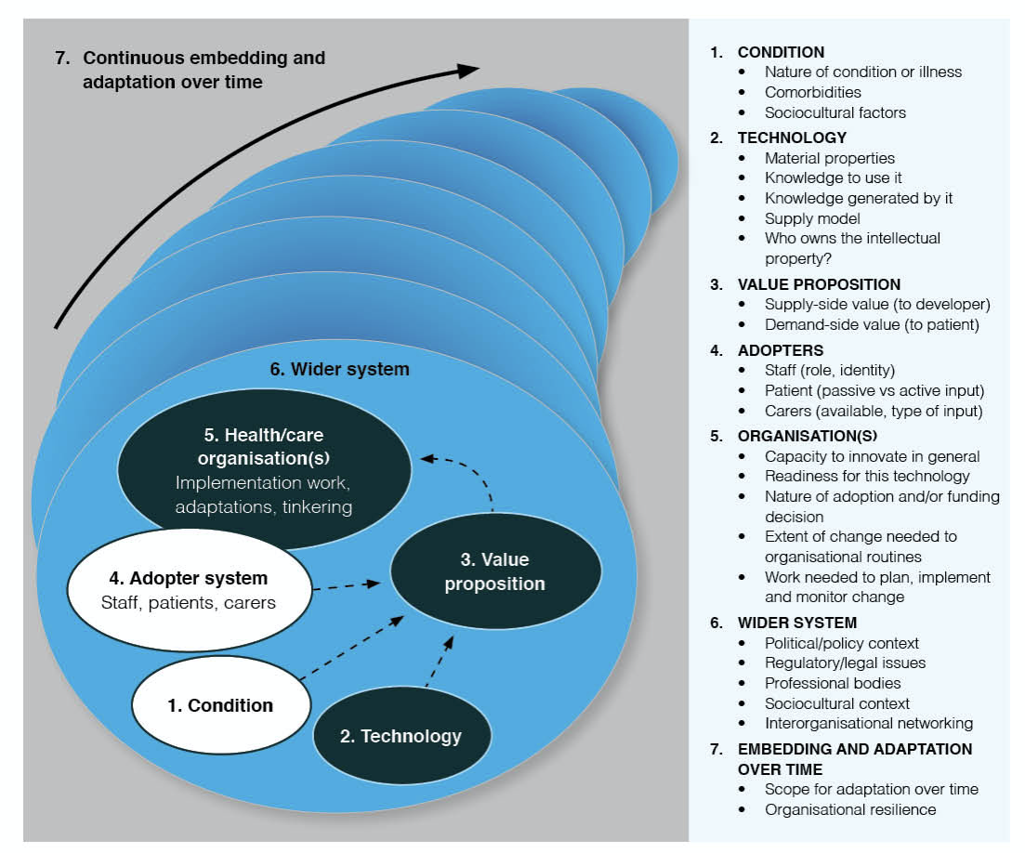

 |  |  | Diagram: The NASSS framework (© Greenhalgh at al J Med Internet Research 2017; 19 (11): e367). This toolkit has been developed from a systematic literature review and extensive primary research. Click here and here for more information.

 |  |  |  |  |  |  | Next section

